VEuPathDB Fee Calculator
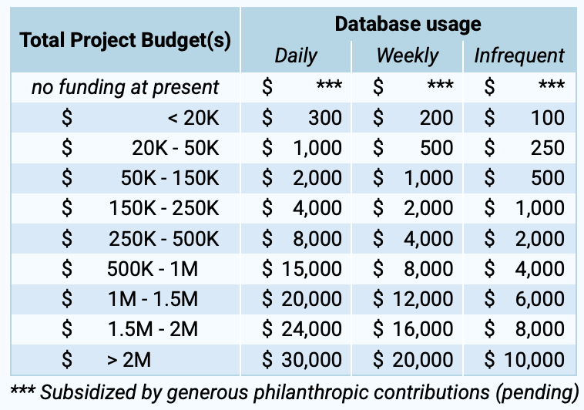
 | Fee Calculator
This private fee calculator is designed to help you assess your fair annual subscription fee to use VEuPathDB resources. Fill in cells that are shaded green.
 | Enter US dollar amount
Total Annual Budget | $500,000
Please include all costs for relevant project(s): grants, salaries, studentships, indirect costs (overhead), etc
Database Usage Frequency | Number of individuals fill in as appropriate for your project(s)
Daily | 3
Weekly | 2
Monthly | 2
Less Frequently | 0
Never | 2
Total | 9
Suggested annual Subscription Fee: | $5,000.00

 | Go to Invoice Form

